Manuf. vs. Distrib % change
2018 Distributor and Manufacturer Statistical Program - Percentage Changes

Q1 2018 COMPARISONS
Q1 2018vs. Q1 2017 |  |  |  |  | Q1 2018 vs. Q4 2017
Region | Distributors |  |  | Manufact. | Region | Distributors |  |  | Manufact.
 | Warehouse | Direct | Total |  |  | Warehouse | Direct | Total
B.C. | 6.1% | 14.1% | 8.3% |  | B.C. | -2.6% | 4.9% | -0.6%
Alberta (Incl. Yukon, NWT) | 6.9% | 8.7% | 7.4% |  | Alberta (Incl. Yukon, NWT) | -6.3% | -8.2% | -6.9%
Prairies (Man,Sask,Lkhd) | 11.4% | 1.4% | 8.4% |  | Prairies (Man,Sask,Lkhd) | -7.8% | -24.0% | -13.0%
Greater Toronto Area | 3.6% | 10.1% | 5.7% |  | Greater Toronto Area | -3.1% | -6.6% | -4.3%
Rest of Ontario | 8.4% | 18.5% | 11.1% |  | Rest of Ontario | -6.0% | -9.0% | -6.9%
Total Ontario | 6.1% | 14.0% | 8.5% |  | Total Ontario | -4.7% | -7.8% | -5.7%
Quebec | 10.0% | -2.9% | 6.7% |  | Quebec | -9.8% | -15.9% | -11.3%
Atlantic | 10.4% | 10.7% | 10.5% |  | Atlantic | -7.7% | 12.8% | -3.2%
Total Canada | 7.7% | 9.0% | 8.1% |  | Total Canada | -6.2% | -8.2% | -6.8%

Please note: Manufacturers % released for Total Ontario only, as not all companies can report by GTA and Rest of Ontario

Percentage Change - Q1 2018 vs. Q4 2017
 | Distributors | Manufact.
BC | -0.6%
AB | -6.9%
Prairies | -13.0%
GTA | -4.3%
R of O | -6.9%
ON | -5.7%
QC | -11.3%
Atl | -3.2%
Can | -6.8%
Q1 2018 GRAPHS
Percentage Change - Q1 2018 vs. Q1 2017
 | Distributors | Manufact.
BC | 8.3%
AB | 7.4%
Prairies | 8.4%
GTA | 5.7%
R of O | 11.1%
ON | 8.5%
QC | 6.7%
Atl | 10.5%
Can | 8.1%

% Change - Q3 2010 vs. Q3 2009
 | Distributors | Manufact.
BC
AB
Prairies
GTA
R of O
ON
QC
Atl
Can
% Change - Jan-Sept 2010 vs. Jan- Sept 2009
 | Distributors | Manufact.
BC
AB
Prairies
GTA
R of O
ON
QC
Atl
Can

PROGRAM DETAILS

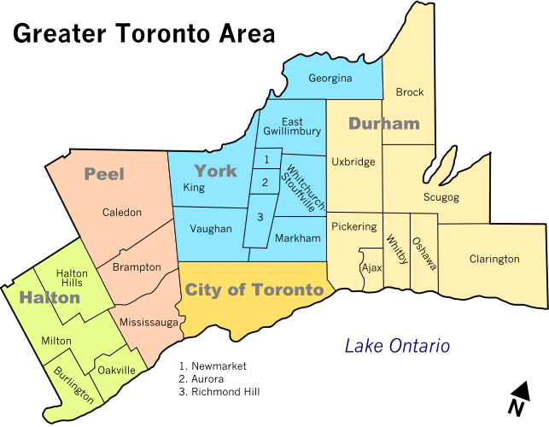
Regional summary

Members are asked to report based strictly on provincial boundaries, unless otherwise stated.

British Columbia
Alberta
Prairies – Includes Manitoba, Saskatchewan and Lakehead
Greater Toronto Area – see map
Rest of Ontario – Remainder of Ontario, excluding GTA.
Quebec
Atlantic - Includes the Provinces of Nova Scotia, New Brunswick, PEI, the Madeleine Islands and Nfld and Labrador

Other Notes:
Distributor Statistics are reported by Warehouse vs. Direct Sales and above results are based on participating distributors only
A more detailed report showing actual Distributor shipments is produced on a separate spreadsheet
Manufacturers' data is calculated from actual input supplied by a large sample of EFC member companies. See separate tab for list of participants
Actual dollar values are not released at this time. Only % changes are supplied for the manufacturers' summary
All individual company information is strictly confidential and is for use by authorized EFC statistical personnel only
This quarterly report is available to participating Distributors and Manufacturers only and is for internal use only

For more information on this program, please contact:
Anne Harrigan, Vice President, Marketing Resource
Phone: 416-716-1897
E-mail: aharrigan@electrofed.com
 |  |  |  |  |  |  | Issued: April 2018

Graphs
Quarter | EFC Reported market | Non Reported market | Total Industry
Q1 14 | $1,367.6 | $279.3 | $1,646.9
Q2 14 | $1,514.0 | $308.6 | $1,822.6
Q3 14 | $1,629.4 | $329.4 | $1,958.8
Q4 14 | $1,619.9 | $325.8 | $1,945.7
Q1 15 | $1,395.7 | $282.1 | $1,677.8
Q2 15 | $1,498.4 | $305.9 | $1,804.3
Q3 15 | $1,569.7 | $318.4 | $1,888.1
Q4 15 | $1,584.6 | $322.5 | $1,907.1
Q1 16 | $1,409.2 | $285.6 | $1,694.8
Q2 16 | $1,537.5 | $314.4 | $1,851.9
Q3 16 | $1,583.5 | $323.6 | $1,907.1
Q4 16 | $1,590.0 | $328.6 | $1,918.6
Q1 17 | $1,514.6 | $309.3 | $1,823.9
Q2 17 | $1,625.6 | $336.1 | $1,961.7
Q3 17 | $1,685.4 | $344.5 | $2,029.9
Q4 17 | $1,753.5 | $360.5 | $2,114.0
Q1 18 | $1,634.4 | $336.4 | $1,970.8
Q2 18 |  | $0.0
Q3 18 |  | $0.0
Q4 18 |  | $0.0

Total Industry Sales through Electrical Distribution - by Quarter
 | Total Industry
Q1 14 | $1,646.9
Q2 14 | $1,822.6
Q3 14 | $1,958.8
Q4 14 | $1,945.7
Q1 15 | $1,677.8
Q2 15 | $1,804.3
Q3 15 | $1,888.1
Q4 15 | $1,907.1
Q1 16 | $1,694.8
Q2 16 | $1,851.9
Q3 16 | $1,907.1
Q4 16 | $1,918.6
Q1 17 | $1,823.9
Q2 17 | $1,961.7
Q3 17 | $2,029.9
Q4 17 | $2,114.0
Q1 18 | $1,970.8
Q2 18
Q3 18
Q4 18

